Cover note
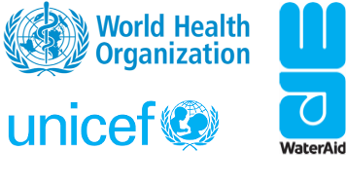

WHO/HEP/ECH/WSH/2023.1 – © World Health Organization and the United Nations Children’s Fund (UNICEF), 2023. Some rights reserved. This work is available under the | CC BY-NC-SA 3.0 IGO license.

Cover note

The Hand Hygiene Acceleration Framework Tool (HHAFT) explained

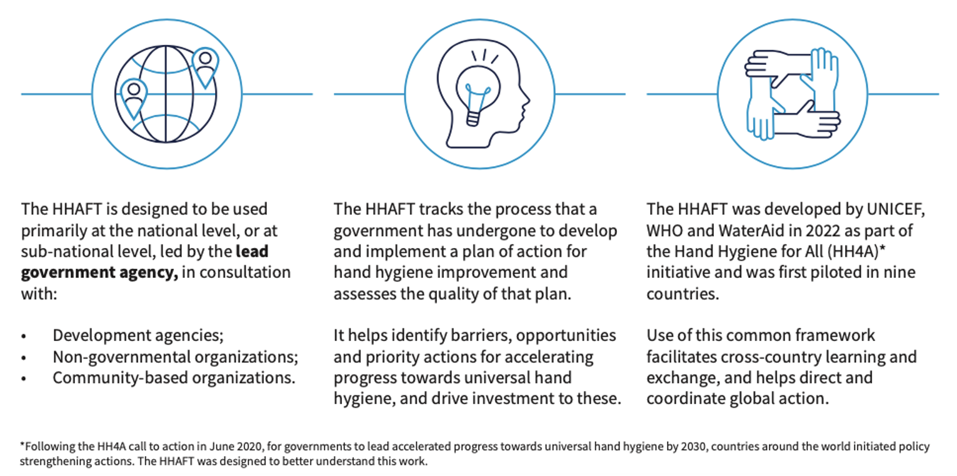

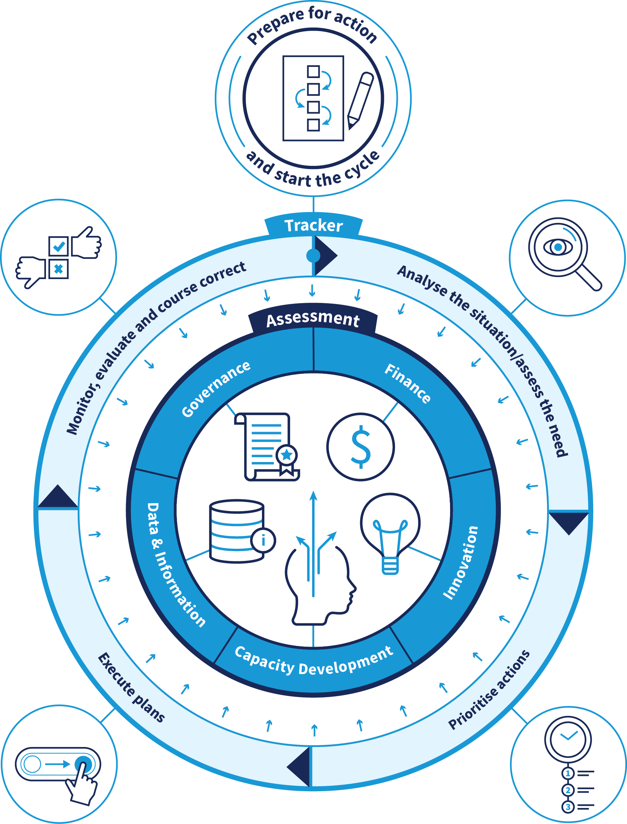

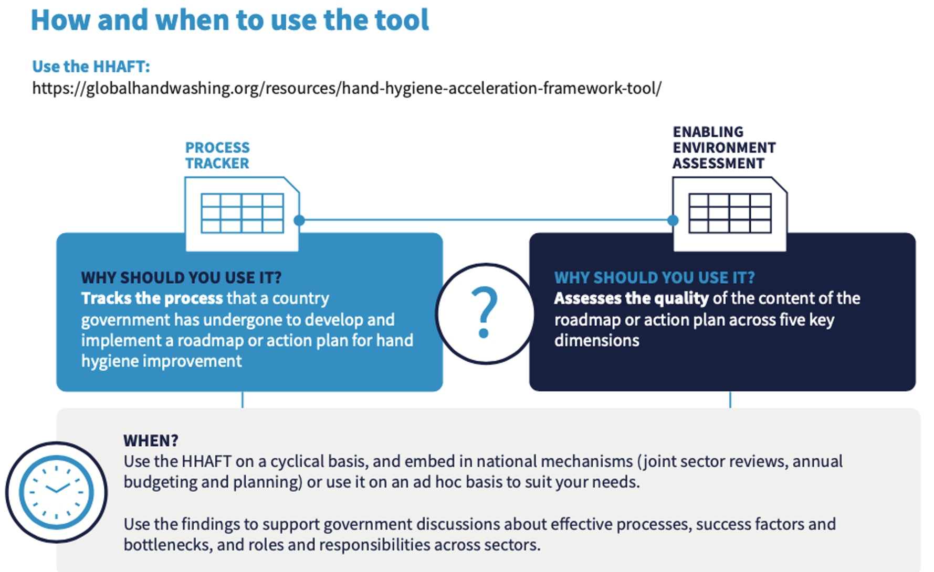

Instructions
User instructions

Who to involve in completing the HHAFT

The HHAFT is designed to be used primarily at the national level, or at sub-national level, led by government, in consultation with:
• Development agencies
• Non-governmental organizations
• Community-based organizations

It is recommended that one ministry lead completion of the HHAFT, with support of partners as necessary, and that this ministry convene relevant ministries and other sector stakeholders (e.g., Ministry of Health, Ministry of Water,
UNICEF, WHO, WaterAid, as appropriate) to complete the HHAFT together through discussion.

Use of this common framework can facilitate cross-country learning and exchange, and when aggregated to regional or global level can help direct and coordination global support. Please indicate if
you give permission for the HHAFT results to be shared on a publicly available online tracker.

Please fill in the tab labelled Input A (Country Information) with these details.
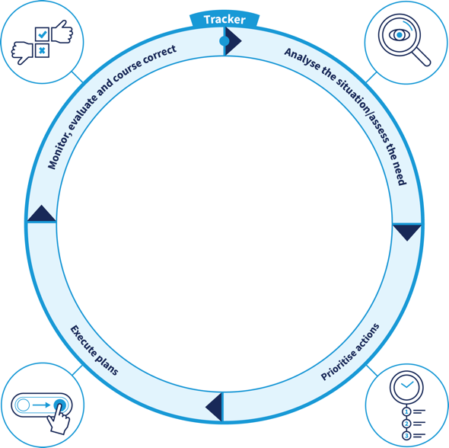
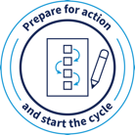

How to complete the HHAFT

The HHAFT is composed of two components: a process tracker and an enabling environment assessment.

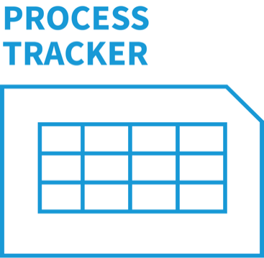
The process tracker component of the HHAFT helps a country assess progress in developing and implementing a roadmap or action plan for hand hygiene improvement. It helps identify opportunities and priority steps for how to make progress .
To complete the process tracker section of the HHAFT, users should answer 20 questions in discussion with stakeholders. Each question enables self-assessment against an indicator, and indicators are spread across five process milestones. Milestones are based on implementation science and country experiences to date and should not be adapted.

Process milestones
1. Prepare for action 5 indicators
2. Analyse the situation 4 indicators
3. Prioritise action 5 indicators
4. Execute action plan 3 indicators
5. Monitor, evaluate 3 indicators
and course correct
All tracker questions are self-assessed using a drop-down menu with the following ranking system:
0. No progress/barriers
1. Some progress, but off track
2. Good progress, on track
3. Complete/maintaining

Please fill in the tab labelled Input B (Process Tracker) with your self-assessment.

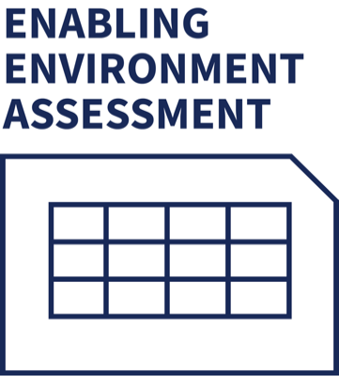
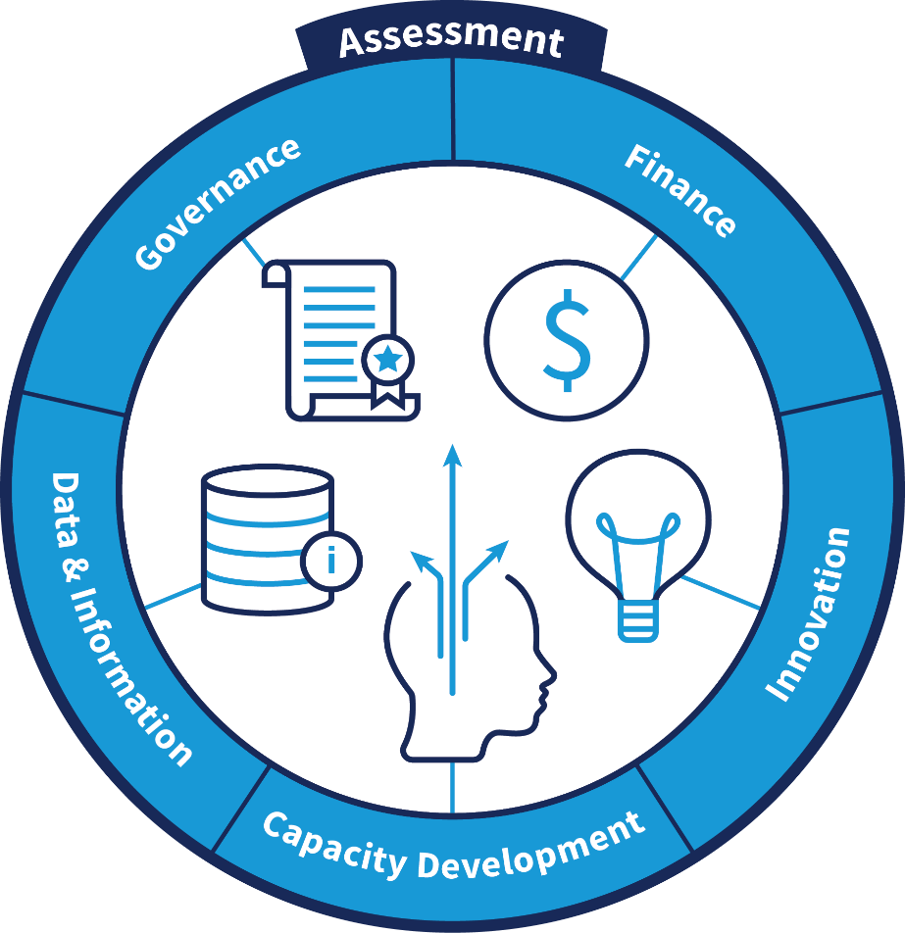
 | The Hand Hygiene Enabling Environment Assessment (HHEEA) component of the HHAFT helps a country
 | to assess the quality of the content of national hand hygiene roadmaps, action plans, policies or
 | programmes, and identify weaknesses / bottlenecks as well as best practices for achieving a
 | robust enabling environment. Through this process, it provides direction on how best to prioritize
 | enabling environment interventions.

 | To completed the HHEEA section of the HHAFT, users should answer 21 questionsd in discussion
 | with stakeholders. Each question enables self-assessment against a specific indicator. These indicators are
 | spread across five enabling pillars. Pillars are based on the SDG 6 Global Acceleration Framework and
 | should not be adapted. The pillars are listed below. Users assess the status of the country or locality being
 | studied using a 4-point ranking system.

Enabling pillars
1. Governance 9 indicators
2. Financing 3 indicators
3. Data & Info 4 indicators
4. Capacity Dev. 2 indicators
5. Innovation 2 indicators
All tracker questions are self-assessed using a drop-down menu with the following ranking system:
0. No progress/barriers
1. Some progress, but off track
2. Good progress, on track
3. Complete/maintaining

Please fill in the tab labelled Input C (HHEEA) with your self-assessment.

Interpreting the results

The two output tabs capture the summary of the tracker and assessment components of the HHAFT. Scores for each milestone or pillar are averaged, and these are graphed on a radar diagram. The objective of this
is to give a high-level view of a country's status, which provides the framing for further exploration, if necessary. The goal is for all variables of the radar diagram to progress to the outer edge of the diagraam over time as all
milestones / pillars are complete. As countries utilize the HHAFT in subsequent years, the changes in the radar will highlight progress - or slippage - and help guide prioritization of future efforts. For example, if 'financing' is
consistently low, the ministry lead can look at the sub-parameters to understand where to direct efforts.

It should be noted that while this will be a helpful way to show progress, for the process tracker, results are not intended to be quantified - the answers to questions intend to stimulate thinking on how to make progress.

Output 1 Tracker summary
Output 1. Process tracker summary

This output tab captures the summary of the tracker component of the HHAFT. Scores for each milestone or pillar are averaged, and these are graphed on a radar diagram. The objective of this is to give
a high-level view of a country's status, which provides the framing for further exploration, if necessary. The goal is for the radar diagram to be completely filled in once all milestones / pillars are complete. As
countries utilize the HHAFT in subsequent years, the changes in the radar will highlight progress - or slippage - and help guide prioritization of future efforts. For example, if 'financing' is consistently low, the ministry
lead can look at the sub-parameters to understand where to direct efforts.

It should be noted that while this will be a helpful way to show progress, for the process tracker, results are not intended to be quantified - the answers to questions intend to stimulate thinking on how to make progress.

Parameter | 2022
Prepare for action | #DIV/0!
Analyse the situation/Assess the need | #DIV/0!
Prioritise actions | #DIV/0!
Execute plans | #DIV/0!
Monitor, evaluate & course correct | #DIV/0!
Average | #DIV/0!

Output 2. HHEEA summary
Output 2. Hand hygiene enabling environment assessment summary

This output tab captures the summary of the enabling environment component of the HHAFT. Scores for each milestone or pillar are averaged, and these are graphed on a radar diagram. The objective of this is to give
a high-level view of a country's status, which provides the framing for further exploration, if necessary. The goal is for the radar diagram to be completely filled in once all milestones / pillars are complete. As
countries utilize the HHAFT in subsequent years, the changes in the radar will highlight progress - or slippage - and help guide prioritization of future efforts. For example, if 'financing' is consistently low, the ministry
lead can look at the sub-parameters to understand where to direct efforts.

It should be noted that while this will be a helpful way to show progress, for the process tracker, results are not intended to be quantified - the answers to questions intend to stimulate thinking on how to make progress.

Parameter | 2022
Governance - Policy and Planning | #DIV/0!
Financing | #DIV/0!
Data and Information | #DIV/0!
Capacity Development | #DIV/0!
Innovation | #DIV/0!
Average | #DIV/0!

